Teams
Logo | Team Name | Code | Division | Captain | GP (tot) | Record (W1) | Points | Record (W3) | Points | Record (tot) | Points |  | Winners Division
 | St.Louis Eagles | EGL | Claus | Jackk | 0 | 0-0-0-0 | 0 | 0-0-0-0 | 0 | 0-0-0-0 | 0 | Claus | X
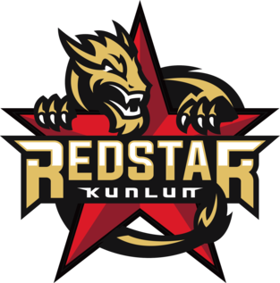 | Kunlun Redstar | KRS | Eggnog | Bleh | 0 | 0-0-0-0 | 0 | 0-0-0-0 | 0 | 0-0-0-0 | 0 | Eggnog | X
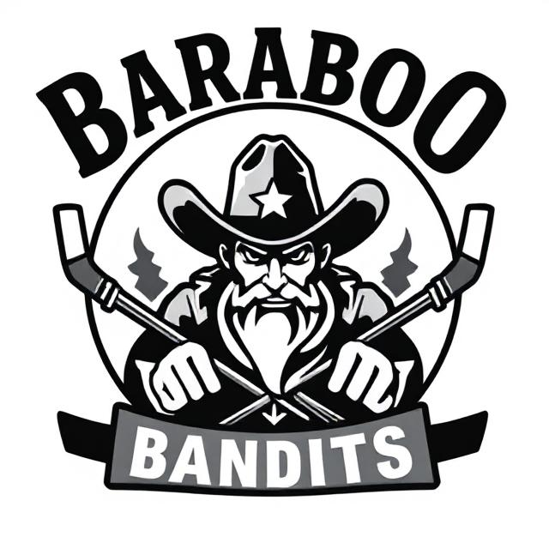 | Baraboo Bandits | BRB | Gingerbread | Wrandy | 0 | 0-0-0-0 | 0 | 0-0-0-0 | 0 | 0-0-0-0 | 0 | Gingerbread | X
 | Würzburg Wolpertingers | WüR | Reindeer | Owl | 0 | 0-0-0-0 | 0 | 0-0-0-0 | 0 | 0-0-0-0 | 0 | Reindeer | X
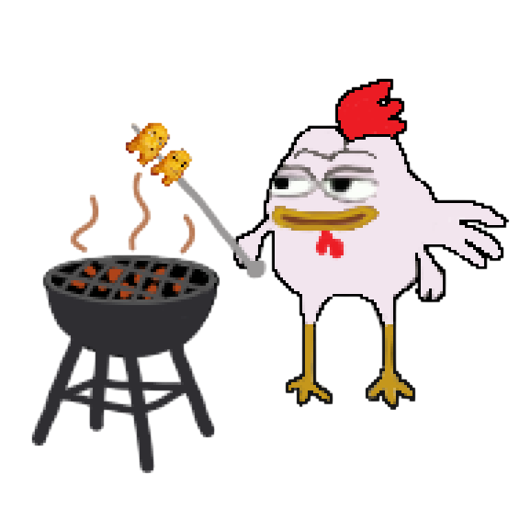 | Barbeque Chicken Alert | BBQ | Claus | Owen | 0 | 0-0-0-0 | 0 | 0-0-0-0 | 0 | 0-0-0-0 | 0
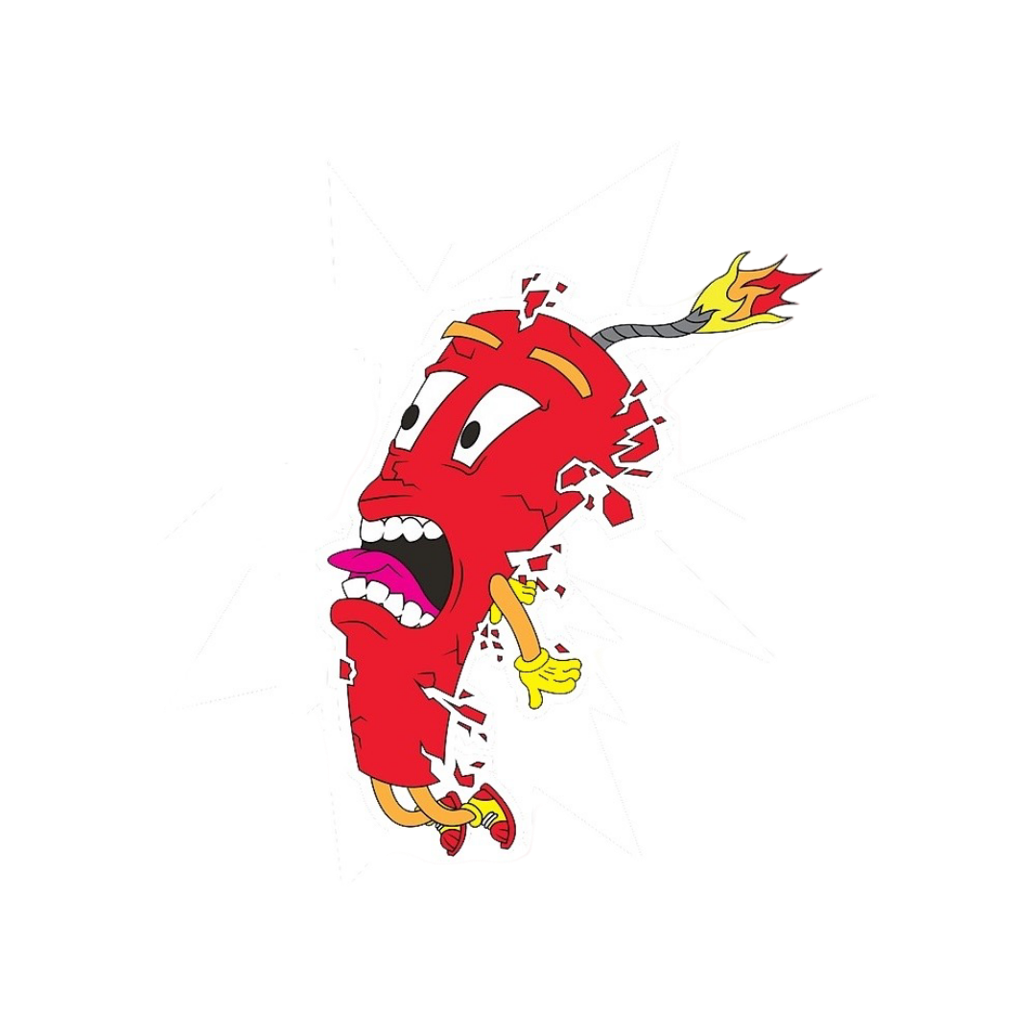 | Kokomo Dynamo | KOKO | Eggnog | ZUUUUB | 0 | 0-0-0-0 | 0 | 0-0-0-0 | 0 | 0-0-0-0 | 0
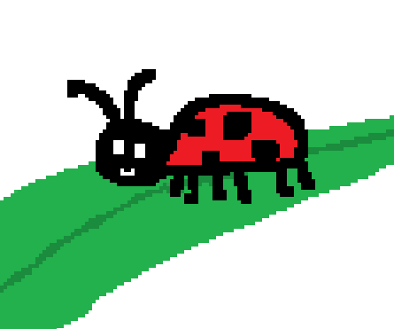 | Secret Lair Ladybugs | LADY | Gingerbread | Dazzle | 0 | 0-0-0-0 | 0 | 0-0-0-0 | 0 | 0-0-0-0 | 0
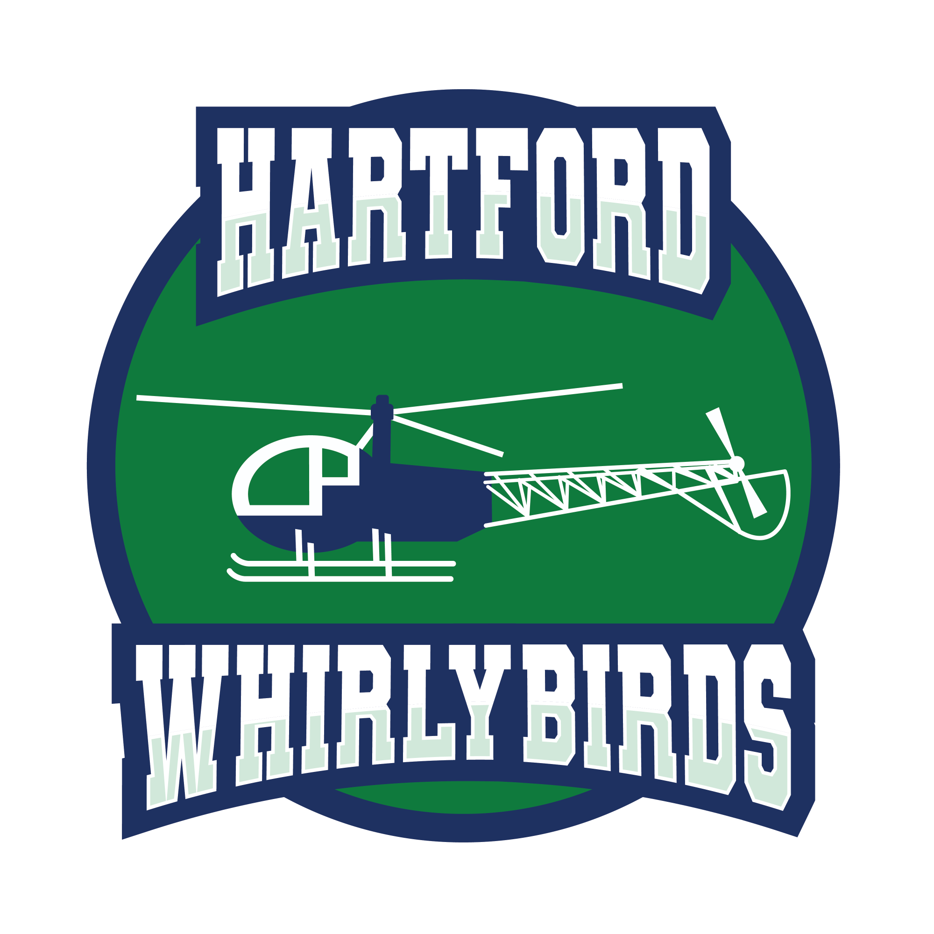 | Hartford Whirlybirds | HFD | Reindeer | Dart | 0 | 0-0-0-0 | 0 | 0-0-0-0 | 0 | 0-0-0-0 | 0
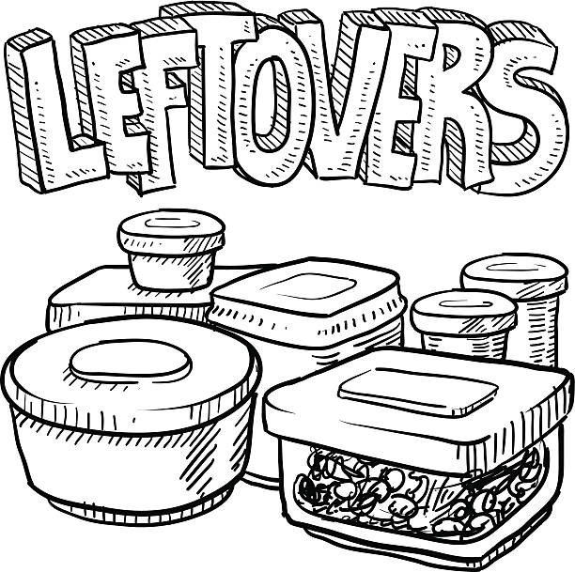 | The Leftovers | LFT | Claus | Bad Santa | 0 | 0-0-0-0 | 0 | 0-0-0-0 | 0 | 0-0-0-0 | 0
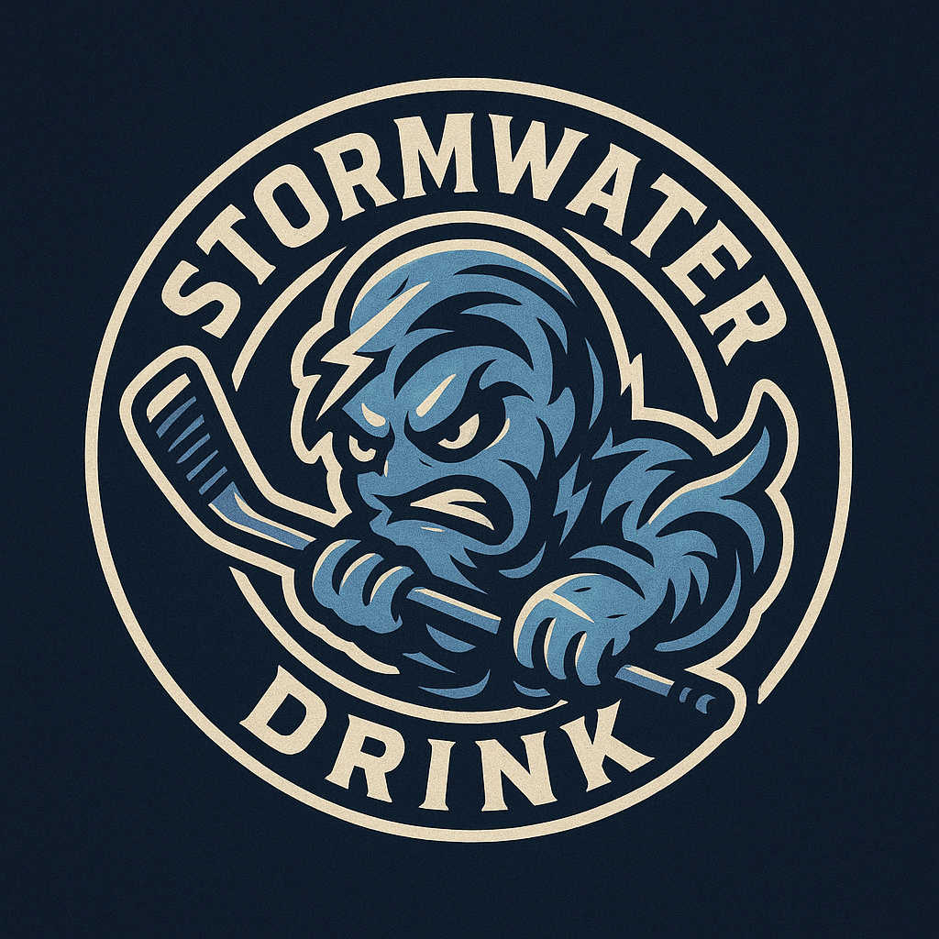 | Stormwater Drink | SWD | Eggnog | whitehousetech | 0 | 0-0-0-0 | 0 | 0-0-0-0 | 0 | 0-0-0-0 | 0
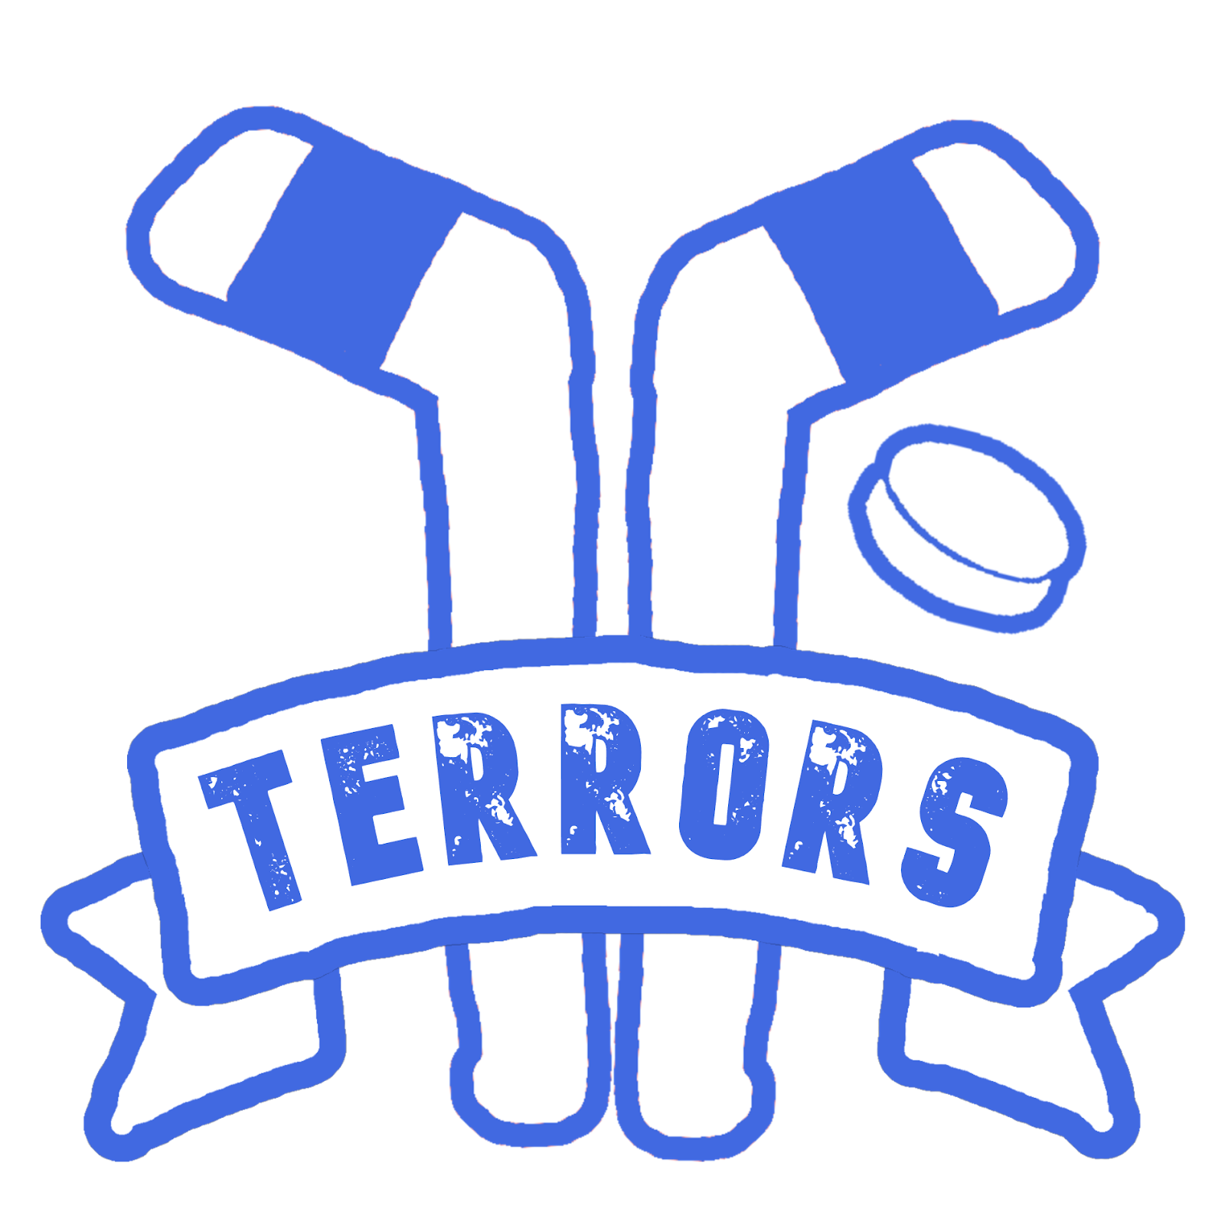 | Tipp City Terrors | TCT | Gingerbread | Squiggles | 0 | 0-0-0-0 | 0 | 0-0-0-0 | 0 | 0-0-0-0 | 0
 | Milk River Milkiners | MRM | Reindeer | Novastar | 0 | 0-0-0-0 | 0 | 0-0-0-0 | 0 | 0-0-0-0 | 0

